Intelligences SA
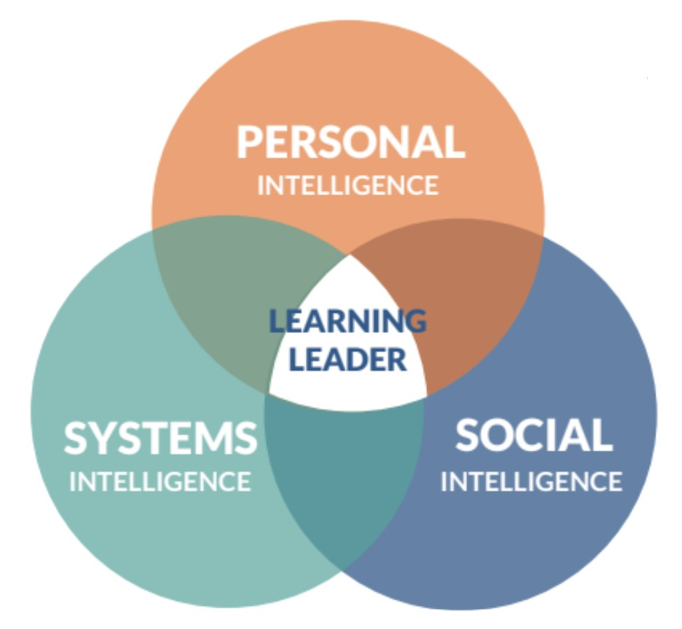
School Leader Intelligences Self-Assessment
School Leader: | 0
 | 0 |  |  |  | 0 |  |  | 0
Position: |  |  |  | Year: |  |  | Supervisor:

 | Learning leaders should always be simultaneously improving their own leadership dispositions while doing the work of moving their learning organizations forward. Being totally self-aware and constantly reflective of the leadership intelligences (becoming) increases school leaders’ effectiveness to lead culture, systems, and learning (doing). The competencies/attributes provided do not represent an exhaustive list, rather those behaviors recognized as critical for school leaders to be successful. Although you will not be formally evaluated on the Competencies and Attributes, this self-assessment is a reflective tool to assist with the development of your cycle of inquiry plans. It will be utilized for the pre-year conference, regular meetings, and end-of-year conference with your district supervisor. In preparation for your pre-year conference with your supervisor, please rate yourself on each Intelligence, Competency, and Attribute using the rubric below. Before rating yourself, take a few minutes to consider the following questions: • Is this a strength or an area for growth? • Would others agree with your assessments? • Who is someone you trust who could provide valuable perspective into how others see you in this area? • What are things that keep you from growing in this area? |  |  |  |  | Circle the thumb (select from the dropdown menu in digital companion) that currently reflects your self-rating on each attribute. When you have completed your ratings, reflect on your ratings to consider how they may be impacting your leadership and if growth in one or more areas may support your overall cycle of inquiry growth goals. Before your end-of-year meeting (by March 1), you will be asked to update this assessment (before February 1) to reflect your personal and professional growth during the school year. As you develop your cycle of inquiry plans, consider the following questions: • What are 2-3attributess that are areas of strength for you? How might you leverage these to attain your goals? • What are 2-3attributess in need of improvement? What are your hunches as to how these might impact goal attainment? Incorporating these areas into your inquiry cycles can enhance goal attainment.

PERSONAL INTELLIGENCE The capacity to reason about personality and to use personality and personal informati on to enhance one’s thoughts, plans, and life experiences.

COMPETENCIES |  | ATTRIBUTES | BOY |  | EOY | ATTRIBUTES
Wellness: The school leader balances quality or state of being healthy in body and mind as the result of deliberate effort and awareness. |  | Ethical: Embraces what has been defined as right behavior and influences people through actions, principles, values, and beliefs. |  |  |  | Optimistic: Remains steadfast personally and professionally in the face of adversity; believes adversity can be overcome; looks on the positi ve side of situations.

 |  | Fit/Healthy: Embraces a balanced lifestyle that promotes dimensions of wellness including emotional, mental, and physical. |  |  |  | Self-aware: Recognizes and is aware of one’s internal and external identities. Manages emotions and recognizes, empathizes with, and navigates other people’s emotions.

Growth Mindset: The school leader embraces challenges; persists despite obstacles; sees effort as a path to mastery; learns from criticism; is inspired by other’s success. |  | Humble: Knows what he/she does not know; resists being arrogant; never underestimates competition. |  |  |  | Intentional: Acts rather than reacts; is deliberate; recognizes every aspect of their behavior; sets personal leadership milestones.

 |  | Reflective: Thinks critically about personal behaviors, attitudes, beliefs, and values.. |  |  |  | Accountable: Holds oneself to a higher standard and continuous growth; honors, stands behind, and takes ownership of agreements and decisions that one makes.

Self-Management: The school leader monitors and takes responsibility for one’s own behavior and well-being, personally and professionally. |  | Organized: Plans and accomplishes things in a prioritized, orderly manner. |  |  |  | Way of Being: Acknowledges and explores emotions, deepens self-knowledge and self-awareness, and builds reflective abilities in order to achieve goals and acts strategically.

 |  | Balanced: Lives and leads with multiple perspectives; considers not only the organizational and financial impact of decisions, but also the personal, social, and environmental impacts. |  |  |  | Self-Confident: Aware and comfortable with personal strengths and weaknesses; celebrates others’ accomplishments; seeks opportunities to learn and develop; listens to others’ ideas; accepts both challenges and support; empowers others to grow and lead.

Innovation: The school leader introduces new methods, novel ideas, processes, or products that are put into operation. |  | Creative: Solves problems or challenges in novel ways from new perspectives and seeks innovation in exploring potential options. |  |  |  | Resilient: Strong enough to live with uncertainty and ambiguity; learns to grow through adversity.

 |  | Adaptive: Takes on the gradual but meaningful process of change, both individually and within the organization; thrives within challenging environments. |  |  |  | Courageous: Takes chances after thoughtful estimation of the probable outcome; willing to take bold moves after careful deliberation and preparation.

SOCIAL INTELLIGENCE A set of interpersonal competencies that inspire others to be effective.

COMPETENCIES |  | ATTRIBUTES | BOY |  | EOY | ATTRIBUTES | BOY |  | EOY
Service: The school leader assures that other people’s highest priority needs are being served. |  | Empathetic: Has the ability to recognize, value, and share other’s feelings |  |  |  | Generous: Is kind, understanding, and not selfish; is willing to give to others, including time, energy, advice, and talent.

 |  | Trustworthy: Is benevolent, honest, open, reliable, and competent. |  |  |  | Protective: Focuses on the well-being of others, the community and society at large, rather than self.

Community Building: The school leader instills a sense of belonging, a feeling that members matter to one another and to the group, and a shared faith that members’ needs will be met through their commitment to be together. |  | Relational: Interacts with people in ways that fulfill their physical, psychological, social,and emotional needs. |  |  |  | Connective: Actively meets people, introduces them to each other, and creates bridges among disconnected people, resources, and ideas.

 |  | Collaborative: Works cooperatively with others toward a common purpose; enables others to succeed individually while accomplishing a collective outcome. |  |  |  | Conciliatory: Recognizes and resolves disputes by applying effective communication; uses problem-solving ability and negotiation to attain positive outcomes.

Capacity Building: The school leader employs leadership knowledge and skills necessary to enable the school to make better use of its intellectual and social capital, in order to adopt high-leverage strategies of teaching and learning. |  | Empowering: Actively supports processes to help faculty and staff enhance their knowledge and skills in ways that are advantageous to their work. |  |  |  | Resourceful: Garners personal, building, district, and community resources to achieve the vision and goals of the school.

 |  | Guiding: Acts as a trusted adviser, drawing from personal experience and expertise to off er guidance and support. |  |  |  | Facilitative: Works to identify and eliminate impediments to staff and student success; creates conditions for positive change

Influence: The school leader can cause changes without directly forcing them to happen; practices skills of networking, constructive persuasion and negotiation, consultation, and coalition-building. |  | Attentive: Listens actively to the content and manner of others’ spoken messages and determines emotional stances via verbal and non-verbal cues. |  |  |  | Motivational: Fosters in others an internal state that rouses them to action and specific desired behaviors.

 |  | Communicative: Shares information in ways that are understood by target audiences, are relevant and timely, and that allow for feedback. |  |  |  | Catalytic: Helps the school improve by continuously focusing on opportunities for growth, monitoring effects of internal and external influences, and fostering productive interpersonal relationships.

SYSTEMS INTELLIGENCE Individual understanding of the inter-workings and leadership of complex systems within an organization.

COMPETENCIES |  | ATTRIBUTES | BOY |  | EOY | ATTRIBUTES | BOY |  | EOY
Mission, Vision, and Strategic Planning: The school leader defines the mission as the intent of the school; fosters a vision of what the school will look like at its peak performance; strategically determines the procedural path to intentionally achieve the vision. |  | Analytic: Uses knowledge, reasoning, and inquiry to analyze situations and develop constructive plans for improvement. |  |  |  | Articulate: Clearly conveys the mission, vision, and direction of the school to all stakeholders, communicating priorities, intentions, and roles and responsibilities.

 |  | Strategic: Develops plans and appropriate mechanisms to achieve the school’s vision and goals. |  |  |  | Visionary: Builds a group vision as a guide for making all school decisions.

Operations and Management: The school leader utilizes a variety of methods, tools, and principles oriented toward enabling efficient and eff ective operation and management. |  | Responsible: Demonstrates the ownership and takes the responsibility necessary for achieving desired results. |  |  |  | Responsive: Responds to situations appropriately and constructively through effective listening, communication, and actions.
...

